2025
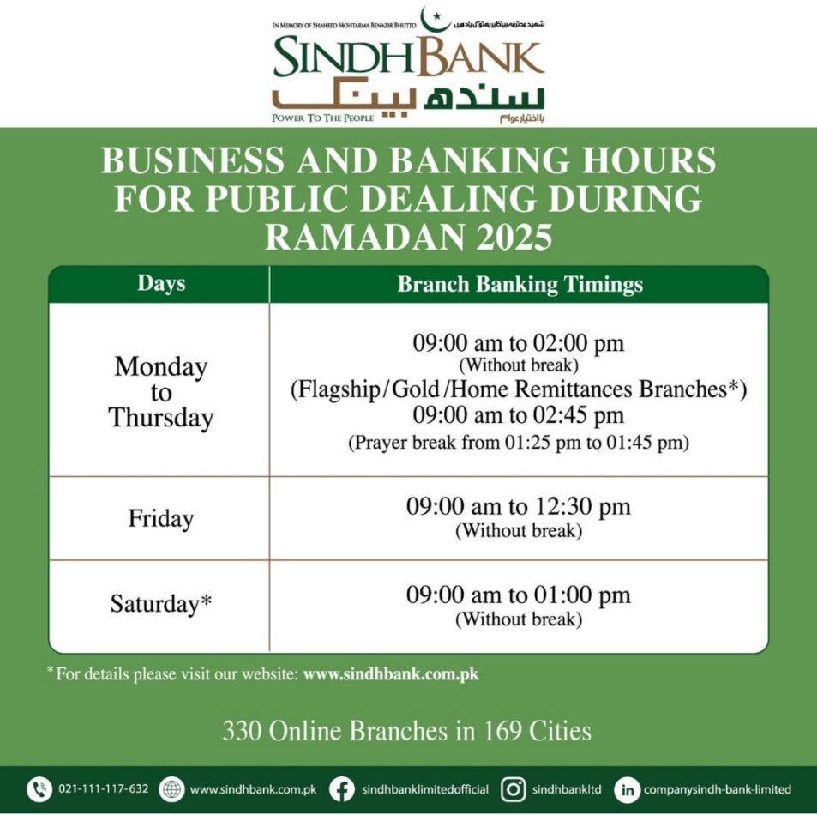
Sindh Bank Limited
Extended Business (Banking) Hours Branches for Ramadan - 2025
 |  |  |  | Branches Categorization
S.No. | Region | Branch Code | Branch Name | Home Remittance | Flood Affectees Facilitatation | Flagship / Gold / ..
1 | SOUTH | 0301 | I.I. Chundrigar Road, Karachi |  |  | Flagship
2 | SOUTH | 0302 | Clifton, Karachi |  |  | Flagship
3 | SOUTH | 0306 | HYDERI N.NAZIMABAD KHI |  |  | Gold
4 | SOUTH | 0314 | S.I.T.E. AREA KHI |  |  | Gold
5 | SOUTH | 0312 | SHAHRAH-E-FAISAL KHI |  |  | Gold
6 | SOUTH | 0305 | GULSHAN-E-IQBAL KHI |  |  | Gold
7 | SOUTH | 0356 | SAFOORA GOTH, KHI |  |  | Gold
8 | SOUTH | 0339 | LEA MARKET KHI |  |  | Gold
9 | SOUTH | 0330 | LIAQUATABAD KHI |  |  | Silver+
10 | SOUTH | 0345 | LANDHI KHI |  |  | Silver+
11 | SOUTH | 0317 | NEW KARACHI BRANCH, KARACHI | Yes |  | Silver+
12 | SOUTH | 0332 | KARACHI ADMIN SOCIETY | Yes |  | Silver+
13 | SOUTH | 0370 | MALIR CITY, KHI |  |  | Silver
14 | SOUTH | 0393 | QUAIDABAD |  |  | Silver
15 | SOUTH | 0701 | JINNAH ROAD, QUETTA |  |  | Gold
 |  | 0401 | AUTOBHAN ROAD, HYDERABAD | Flagship |  | Flagship
 |  | 0431 | JAMSHORO | Flagship |  | Flagship
 |  | 0406 | TANDO ADAM - RUA | Gold |  | Gold
 |  | 0435 | BERANI - RUA | Silver |  | Silver
 |  | 0405 | QASIMABAD HYD | Gold |  | Gold
 |  | 0415 | MATIARI | Flagship |  | Flagship
 |  | 0143 | Saleh Pat | Silver |  | Silver
 |  | 0416 | SHAHDADPUR , DISTT SANGHAR | Silver+ |  | Silver+
 |  | 0407 | TANDOALAYAR | Gold |  | Gold
 |  | 0127 | Military Road Sukkur | Flagship |  | Flagship
 |  | 0404 | MIRPURKHAS | Flagship |  | Flagship
 |  | 0413 | SANGHAR | Flagship |  | Flagship
 |  | 0104 | Kandhkot | Gold |  | Gold
 |  | 0118 | Kashmore | Gold |  | Gold
 |  | 0419 | UMERKOT | Gold |  | Gold
 |  | 0422 | SAJAWAL - RUA | Gold |  | Gold
 |  | 0412 | THATTA | Gold |  | Gold
 |  | 0409 | BADIN | Gold |  | Gold
 |  | 0410 | MITHI | Flagship |  | Flagship
 |  | 0119 | JACOBABAD CITY | Gold |  | Gold
 |  | 0114 | SHIKARPUR | Flagship |  | Flagship
 |  | 0117 | THUL, DISTT. JACOBABAD - RUA | Gold |  | Gold
 |  | 0110 | GHOTKI | Gold |  | Gold
 |  | 0116 | MIRPUR MATHELO | Gold |  | Gold
 |  | 0103 | PANO AQIL - RUA | Gold |  | Gold
 |  | 0131 | UBARO BRANCH | Silver+ |  | Silver+
 |  | 0108 | SUKKUR | Flagship |  | Flagship
 |  | 0102 | KHAIRPUR MIRS | Flagship |  | Flagship
 |  | 0105 | NOSHERO FEROZ | Gold |  | Gold
 |  | 0129 | KANDIARO , DISTT. N.FEROZ | Silver |  | Silver
 |  | 0139 | THARI MIRWAH, DIST. KHAIRPUR | Silver |  | Silver
 |  | 0411 | SH. BENAZIRABAD | Flagship |  | Flagship
 |  | 0107 | LARKANA | Flagship |  | Flagship
 |  | 0123 | QAMBER | Gold |  | Gold
 |  | 0106 | DADU | Gold |  | Gold
 |  | 0122 | MEHAR, DISTT. DADU | Silver+ |  | Silver+
 |  | 0126 | K.N.SHAH, DISTT DADU | Sliver+ |  | Sliver+
 |  | 0109 | SEHWAN - RUA | Flagship |  | Flagship

14 | RURAL SINDH | 0431 | JAMSHORO |  | Yes | Flagship
15 | RURAL SINDH | 0413 | SANGHAR |  | Yes | Flagship
16 | RURAL SINDH | 0109 | SEHWAN - RUA | Yes | Yes | Flagship
17 | RURAL SINDH | 0114 | SHIKARPUR |  | Yes | Flagship
18 | RURAL SINDH | 0409 | BADIN |  | Yes | Gold
19 | RURAL SINDH | 0106 | DADU |  | Yes | Gold
20 | RURAL SINDH | 0110 | GHOTKI |  | Yes | Gold
21 | RURAL SINDH | 0119 | JACOBABAD CITY |  | Yes | Gold
22 | RURAL SINDH | 0104 | KANDHKOT |  | Yes | Gold
23 | RURAL SINDH | 0118 | KASHMORE |  | Yes | Gold
24 | RURAL SINDH | 0403 | KOTRI, DISTT JAMSHORO | Yes | Yes | Gold
25 | RURAL SINDH | 0116 | MIRPUR MATHELO |  | Yes | Gold
26 | RURAL SINDH | 0105 | NOSHERO FEROZ |  | Yes | Gold
27 | RURAL SINDH | 0123 | QAMBER | Yes | Yes | Gold
28 | RURAL SINDH | 0422 | SAJAWAL - RUA |  | Yes | Gold
29 | RURAL SINDH | 0424 | SAKRAND |  | Yes | Gold
30 | RURAL SINDH | 0406 | TANDO ADAM - RUA |  | Yes | Gold
31 | RURAL SINDH | 0117 | THUL, DISTT. JACOBABAD - RUA |  | Yes | Gold
32 | RURAL SINDH | 0419 | UMERKOT |  | Yes | Gold
33 | RURAL SINDH | 0131 | UBARO BRANCH |  | Yes | Silver+
34 | RURAL SINDH | 0416 | SHAHDADPUR , DISTT SANGHAR |  | Yes | Silver+
35 | RURAL SINDH | 0122 | MEHAR, DISTT. DADU |  | Yes | Silver+
36 | RURAL SINDH | 0126 | K.N.SHAH, DISTT DADU |  | Yes | Silver+
37 | RURAL SINDH | 0125 | PIR JO GOTH, DISTT KHAIRPUR - RUA |  | Yes | Silver+
38 | RURAL SINDH | 0136 | KHANPUR MAHAR,DISTT GHOTKI |  | Yes | Silver
39 | RURAL SINDH | 0435 | BERANI - RUA |  | Yes | Silver
40 | RURAL SINDH | 0145 | GHARI KHAIRO, DISTRICT JACOBABAD |  | Yes | Silver
41 | RURAL SINDH | 0423 | BHAN SAEEDABABD - RUA |  | Yes | Silver
42 | RURAL SINDH | 0434 | KHIPRO |  | Yes | Silver
43 | RURAL SINDH | 0139 | THARI MIRWAH, DIST. KHAIRPUR |  | Yes | Silver
44 | RURAL SINDH | 0149 | AHMEDPUR, DISTT. KHAIRPUR |  | Yes | Silver
45 | CENTRAL | 0603 | DHA Y BLOCK, LHR |  |  | Flagship
46 | CENTRAL | 0604 | G.T. RD. GUJRANWALA | Yes |  | Gold
47 | CENTRAL | 0642 | MORR. AIMANABAD BRANCH | Yes |  | Silver+
48 | CENTRAL | 0689 | SHEIKHUPURA ROAD GUJRANWALA | Yes |  | Silver+
49 | CENTRAL | 0637 | SIALKOT BRANCH | Yes |  | Silver+
50 | CENTRAL | 0639 | KALRA KHASA | Yes |  | Silver+
51 | CENTRAL | 0690 | VILLAGE QILA DEEDAR SINGH | Yes |  | Silver
52 | CENTRAL | 0694 | BHALWAL, DISTT. SARGODHA BRANCH | Yes |  | Silver
53 | NORTH | 0903 | GILGIT BRANCH |  |  | Gold
54 | NORTH | 0801 | PESHAWAR CANTT AREA |  |  | Gold
55 | NORTH | 0806 | HAYATABAD, PESHAWAR | Yes |  | Gold
56 | NORTH | 0811 | PABBI DISTT. NOWSHEHRA | Yes |  | Silver+
57 | NORTH | 0805 | KARKHANO MARKET BRANCH PESHAWAR. | Yes |  | Silver+
58 | NORTH | 0802 | MAIN G.T. ROAD PESHAWAR BRANCH | Yes |  | Silver+
59 | NORTH | 0812 | SHAHKAS BRANCH, KHYBER AGENCY | Yes |  | Silver+
60 | NORTH | 0808 | KOHAT BRANCH | Yes |  | Silver+
61 | NORTH | 0803 | UNIVERSITY ROAD BRANCH PESHAWAR. | Yes |  | Silver+
62 | NORTH | 0809 | RING ROAD PESHAWAR BRANCH | Yes |  | Silver+
63 | NORTH | 0901 | MIRPUR AZAD KASHMIR BR | Yes |  | Silver+
64 | NORTH | 0815 | DARRA-E-ADAM KHAIL BRANCH | Yes |  | Silver

